Claims to be raised
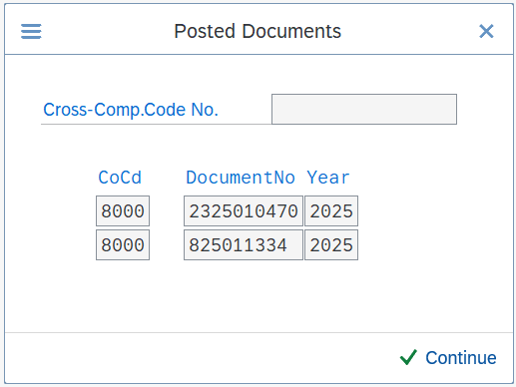
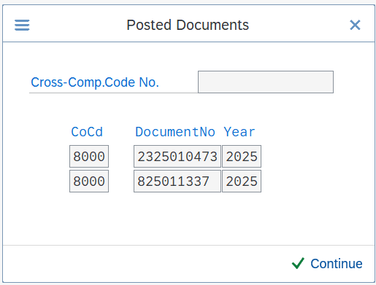
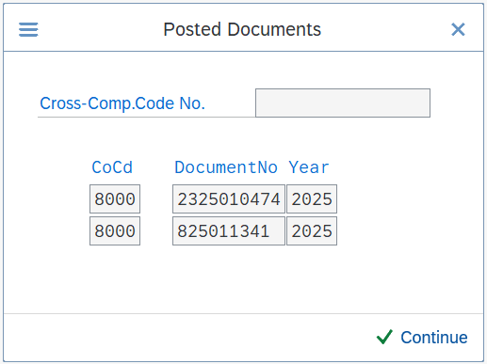
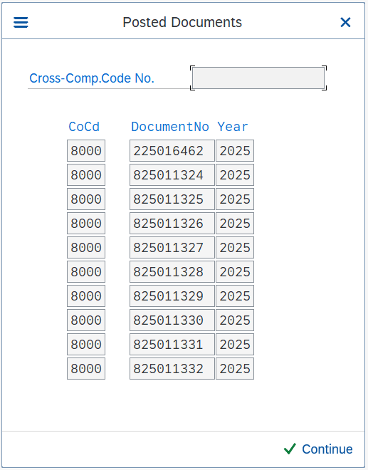
Level | LineItem | Message ID / Store GLN | PnP Vendor / Store Code | STORE DESCRIPTION | Date | Type | Document Type | PnP Reference | Vendor Reference | Item Text | Original Amount | Adjustment Amount | Net Amount | Currency
2 | 16 | 6.00E+12 | GH35 | Family The Verge | 2025-05-29 | CREDIT_NOTE | YE Store Opening & Reva | 2201895576 | ZSTO GH35 | FAMILY THE VERGE GH35 STORE OPENING | (5,060.00) |  | (5,060.00)
 |  |  |  |  |  |  |  |  |  |  | (5,060.00)

4 |  |  |  |  |  |  | XJ Cash Disc. Merch. Amount Total |  |  |  |  | (95,125.11)
4 |  |  |  |  |  |  | XC Category Management Amount Total |  |  |  |  | (15,854.35)
4 |  |  |  |  |  |  | XI Incentive Discount Amount Total |  |  |  |  | (190,248.93)
4 |  |  |  |  |  |  | XD Swell Allowance Amount Total |  |  |  |  | (15,854.35)
4 |  |  |  |  |  |  | XF Advertising Allow. Amount Total |  |  |  |  | (162,633.03)
4 |  |  |  |  |  |  | X1 Smart Shopper Amount Total |  |  |  |  | (15,854.35)
4 |  |  |  |  |  |  | XG Distribution Allow. Amount Total |  |  |  |  | (155,639.54)
4 |  |  |  |  |  |  | YF Fuel Levy Allowance Amount Total |  |  |  |  | (20,488.32)
 |  |  |  |  |  |  |  |  |  |  |  | (671,697.98)

Inv paid
Level | LineItem | Message ID / Store GLN | PnP Vendor / Store Code | STORE DESCRIPTION | Date | Type | Document Type | PnP Reference | Vendor Reference | Item Text | Original Amount | Adjustment Amount | Net Amount | Currency
2 | 1 | 6.00E+12 | KC26 | HYPER DURBAN NORTH | 2025-04-14 | INVOICE | RE Invoice - gross | 5137199642 | 3004368100 | 5137199642 | 6,262.20 |  | 5,341.66
2 | 2 | 6.00E+12 | MA11 | KZN DC GROCERIES | 2025-04-01 | INVOICE | RE Invoice - gross | 5136805891 | 3004352783 | 5136805891 | 83,389.58 |  | 65,809.86
2 | 3 | 6.00E+12 | MA15 | PNP Eastport Inland DC | 2025-04-02 | INVOICE | RE Invoice - gross | 5136852786 | 3004363053 | 5136852786 | 336,619.35 |  | 266,065.67
2 | 4 | 6.00E+12 | MA05 | PNP PHILIPPI DISTRIBUTION CENTRE | 2025-04-04 | INVOICE | RE Invoice - gross | 5136927542 | 3004366497 | 5136927542 | 253,702.71 |  | 197,678.51
2 | 5 | 6.00E+12 | MA11 | KZN DC GROCERIES | 2025-04-08 | INVOICE | RE Invoice - gross | 5137018142 | 3004366226 | 5137018142 | 136,639.23 |  | 108,295.71
2 | 6 | 6.00E+12 | MA05 | PNP PHILIPPI DISTRIBUTION CENTRE | 2025-04-11 | INVOICE | RE Invoice - gross | 5137139067 | 3004373976 | 5137139067 | 244,953.39 |  | 190,847.92
2 | 7 | 6.00E+12 | MA15 | PNP Eastport Inland DC | 2025-04-14 | INVOICE | RE Invoice - gross | 5137204881 | 3004378693 | 5137204881 | 304,185.55 |  | 239,761.82
2 | 8 | 6.00E+12 | MA15 | PNP Eastport Inland DC | 2025-04-17 | INVOICE | RE Invoice - gross | 5137326510 | 3004387638 | 5137326510 | 523,477.78 |  | 413,161.93
2 | 9 | 6.00E+12 | MA11 | KZN DC GROCERIES | 2025-04-19 | INVOICE | RE Invoice - gross | 5137353292 | 3004381497 | 5137353292 | 45,089.66 |  | 35,582.08
2 | 10 | 6.00E+12 | MA11 | KZN DC GROCERIES | 2025-04-19 | INVOICE | RE Invoice - gross | 5137353432 | 3004384777 | 5137353432 | 68,985.49 |  | 54,289.11
2 | 11 | 6.00E+12 | MA15 | PNP Eastport Inland DC | 2025-04-22 | INVOICE | RE Invoice - gross | 5137413242 | 3004390910 | 5137413242 | 332,548.94 |  | 261,361.14
2 | 12 | 6.00E+12 | MA05 | PNP PHILIPPI DISTRIBUTION CENTRE | 2025-04-22 | INVOICE | RE Invoice - gross | 5137420648 | 3004391078 | 5137420648 | 147,496.28 |  | 115,699.17
2 | 13 | 6.00E+12 | MA05 | PNP PHILIPPI DISTRIBUTION CENTRE | 2025-04-25 | INVOICE | RE Invoice - gross | 5137520156 | 3004397187 | 5137520156 | 43,577.91 |  | 34,000.14
2 | 14 | 6.00E+12 | MA15 | PNP Eastport Inland DC | 2025-04-25 | INVOICE | RE Invoice - gross | 5137524992 | 3004399063 | 5137524992 | 613,156.95 |  | 486,879.47
2 | 15 | 6.00E+12 | MA11 | KZN DC GROCERIES | 2025-04-29 | INVOICE | RE Invoice - gross | 5137597211 | 3004395991 | 5137597211 | 30,731.23 |  | 24,344.08
 |  |  |  |  |  |  |  |  |  |  | 3,170,816.25

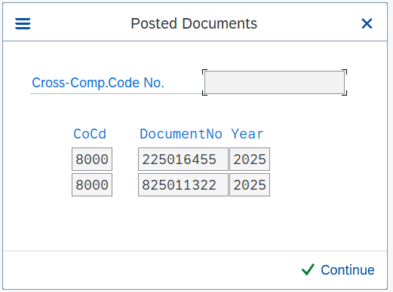

 |  |  |  |  |  |  |  |  |  | inv paid | 3,170,816.25
 |  |  |  |  |  |  |  |  |  | claim | (5,060.00)
 |  |  |  |  |  |  |  |  |  | discounts | (671,697.98)
 |  |  |  |  |  |  |  |  |  | payment | 2,494,058.27

